Comparaison
 | DemocraticRPSO | RDPSO | EPSO | PePSO |  | DemocraticRPSO | RDPSO | EPSO | PePSO
20 | 68936.533333 | 69498.333333 | 66351.666667 | 68845.466667 | 20 | 17.98% | 18.13% | 17.31% | 17.96%
40 | 92810.866667 | 97584.533333 | 84068.966667 | 103163.13333 | 40 | 24.21% | 25.45% | 21.93% | 26.91%
60 | 107955.23333 | 111040 | 98785.666667 | 124025.53333 | 60 | 28.16% | 28.96% | 25.76% | 32.35%
80 | 121840.4 | 121881.3 | 113415.93333 | 135139.26667 | 80 | 31.78% | 31.79% | 29.58% | 35.25%
100 | 135103.1 | 133271.26667 | 127407.66667 | 146020.03333 | 100 | 35.24% | 34.76% | 33.23% | 38.08%
120 | 147669.66667 | 144735.76667 | 139560.5 | 156152.86667 | 120 | 38.51% | 37.75% | 36.40% | 40.73%
140 | 159866.53333 | 155888.4 | 149860.03333 | 165045.36667 | 140 | 41.70% | 40.66% | 39.09% | 43.05%
160 | 171123.16667 | 165458.16667 | 158484.33333 | 172024.26667 | 160 | 44.63% | 43.15% | 41.33% | 44.87%
180 | 181538.63333 | 174932.76667 | 165972.5 | 178153.93333 | 180 | 47.35% | 45.62% | 43.29% | 46.47%
200 | 190961.03333 | 184809.86667 | 173948.76667 | 183565.8 | 200 | 49.81% | 48.20% | 45.37% | 47.88%
220 | 200603.1 | 193747.06667 | 182409.43333 | 188315.9 | 220 | 52.32% | 50.53% | 47.57% | 49.12%
240 | 210289.73333 | 202475.93333 | 190317.13333 | 193555.1 | 240 | 54.85% | 52.81% | 49.64% | 50.48%
260 | 219462.53333 | 212207.46667 | 197364.9 | 198567 | 260 | 57.24% | 55.35% | 51.48% | 51.79%
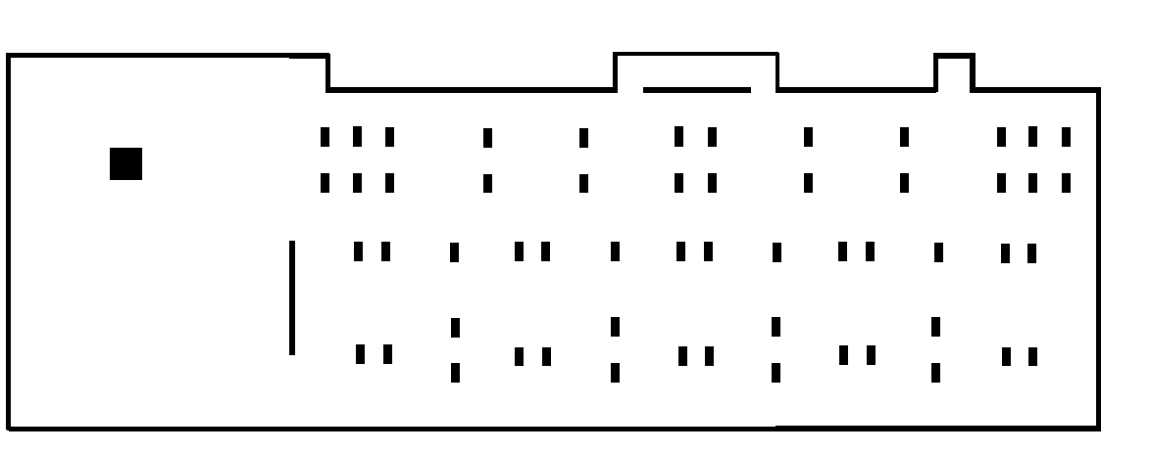
280 | 228430.26667 | 220862 | 203950.53333 | 203121.5 | 280 | 59.58% | 57.60% | 53.19% | 52.98%
300 | 237002.26667 | 228115.5 | 210337.13333 | 207930.8 | 300 | 61.81% | 59.50% | 54.86% | 54.23%
320 | 245170.2 | 234733.73333 | 216149.8 | 212543.93333 | 320 | 63.94% | 61.22% | 56.37% | 55.43%
340 | 252969.53333 | 240517.1 | 221609.5 | 217005.3 | 340 | 65.98% | 62.73% | 57.80% | 56.60%
360 | 260375.9 | 245440.26667 | 226729.23333 | 220926.16667 | 360 | 67.91% | 64.01% | 59.13% | 57.62%
380 | 267287.13333 | 251070.86667 | 231413.43333 | 224167.83333 | 380 | 69.71% | 65.48% | 60.36% | 58.47%
400 | 273778.3 | 256890.4 | 235023.96667 | 227119.96667 | 400 | 71.41% | 67.00% | 61.30% | 59.24%
420 | 280212.83333 | 261566.3 | 237589.93333 | 230018.4 | 420 | 73.08% | 68.22% | 61.97% | 59.99%
440 | 286412.66667 | 266361.96667 | 239944.06667 | 232580 | 440 | 74.70% | 69.47% | 62.58% | 60.66%
460 | 292371.76667 | 271238.23333 | 242434.7 | 234751.53333 | 460 | 76.25% | 70.74% | 63.23% | 61.23%
480 | 297677.4 | 275753.23333 | 244587.4 | 237017.13333 | 480 | 77.64% | 71.92% | 63.79% | 61.82%
500 | 302489.36667 | 279506.5 | 246081.06667 | 239281.06667 | 500 | 78.89% | 72.90% | 64.18% | 62.41%
520 | 306892.2 | 281912.53333 | 247532.03333 | 241217.6 | 520 | 80.04% | 73.53% | 64.56% | 62.91%
540 | 310928.53333 | 284147.36667 | 249167 | 243105.8 | 540 | 81.09% | 74.11% | 64.99% | 63.41%
560 | 314765.8 | 286922.83333 | 251213.5 | 245145.7 | 560 | 82.10% | 74.83% | 65.52% | 63.94%
580 | 318408.3 | 289627.83333 | 253741.5 | 246848.8 | 580 | 83.05% | 75.54% | 66.18% | 64.38%
600 | 321824.7 | 292223.2 | 256291.4 | 248517.93333 | 600 | 83.94% | 76.22% | 66.84% | 64.82%
620 | 325128.5 | 294909 | 258527.3 | 249718.16667 | 620 | 84.80% | 76.92% | 67.43% | 65.13%
640 | 328094.66667 | 297839.23333 | 260663.36667 | 250677.36667 | 640 | 85.57% | 77.68% | 67.98% | 65.38%
660 | 330707.76667 | 300872.7 | 262644.3 | 251485.86667 | 660 | 86.25% | 78.47% | 68.50% | 65.59%
680 | 333262.3 | 303992.56667 | 264377.93333 | 252220.56667 | 680 | 86.92% | 79.29% | 68.95% | 65.78%
700 | 335859.23333 | 307158.53333 | 265650.86667 | 252936.8 | 700 | 87.60% | 80.11% | 69.29% | 65.97%
720 | 338365.06667 | 310210.6 | 266894.23333 | 253626.23333 | 720 | 88.25% | 80.91% | 69.61% | 66.15%
740 | 340744.4 | 312999.66667 | 268029.33333 | 254169.1 | 740 | 88.87% | 81.63% | 69.91% | 66.29%
760 | 343068.86667 | 315455.1 | 269108.83333 | 254751.06667 | 760 | 89.48% | 82.28% | 70.19% | 66.44%
780 | 345267.03333 | 317592.73333 | 270190.6 | 255365.5 | 780 | 90.05% | 82.83% | 70.47% | 66.60%
800 | 347299.43333 | 319487.5 | 271270.16667 | 255919.33333 | 800 | 90.58% | 83.33% | 70.75% | 66.75%
820 | 349201.06667 | 321160.73333 | 272332.76667 | 256421.2 | 820 | 91.08% | 83.76% | 71.03% | 66.88%
840 | 351020.46667 | 322617.46667 | 273284.66667 | 256897.9 | 840 | 91.55% | 84.14% | 71.28% | 67.00%
860 | 352812.33333 | 323907.16667 | 274177.06667 | 257333.03333 | 860 | 92.02% | 84.48% | 71.51% | 67.12%
880 | 354545.63333 | 325072.36667 | 275149.26667 | 257695.83333 | 880 | 92.47% | 84.78% | 71.76% | 67.21%
900 | 356101.16667 | 326016.33333 | 276051.2 | 257896.93333 | 900 | 92.88% | 85.03% | 72.00% | 67.26%
920 | 357681.1 | 326917.2 | 276959.6 | 258231.3 | 920 | 93.29% | 85.26% | 72.23% | 67.35%
940 | 359039.86667 | 327720.93333 | 277860.8 | 258493.7 | 940 | 93.64% | 85.47% | 72.47% | 67.42%
960 | 360160.53333 | 328456.43333 | 278784.93333 | 258813.53333 | 960 | 93.93% | 85.67% | 72.71% | 67.50%
980 | 361273.5 | 329187.3 | 279785.33333 | 259045.53333 | 980 | 94.23% | 85.86% | 72.97% | 67.56%
1000 | 362404.66667 | 329834.76667 | 280788.26667 | 259224.7 | 1000 | 94.52% | 86.03% | 73.23% | 67.61%
1020 | 363502.86667 | 330477.43333 | 281717.03333 | 259318.03333 | 1020 | 94.81% | 86.19% | 73.48% | 67.63%
1040 | 364563.93333 | 331114.16667 | 282566.1 | 259416.46667 | 1040 | 95.08% | 86.36% | 73.70% | 67.66%
1060 | 365415.83333 | 331808 | 283386.1 | 259521.96667 | 1060 | 95.31% | 86.54% | 73.91% | 67.69%
1080 | 366091.53333 | 332556.73333 | 284321.33333 | 259646.9 | 1080 | 95.48% | 86.74% | 74.15% | 67.72%
1100 | 366829.26667 | 333242.06667 | 285287.06667 | 259830.26667 | 1100 | 95.67% | 86.91% | 74.41% | 67.77%
1120 | 367526.56667 | 333978.23333 | 286218.46667 | 259960.8 | 1120 | 95.86% | 87.11% | 74.65% | 67.80%
1140 | 368222.1 | 334720.2 | 287173.23333 | 260055.1 | 1140 | 96.04% | 87.30% | 74.90% | 67.83%
1160 | 369070 | 335568.86667 | 288116.23333 | 260128.53333 | 1160 | 96.26% | 87.52% | 75.14% | 67.85%
1180 | 369899.93333 | 336521.8 | 288999.43333 | 260217.4 | 1180 | 96.48% | 87.77% | 75.38% | 67.87%
1200 | 370709.93333 | 337443.66667 | 289889.16667 | 260273.63333 | 1200 | 96.69% | 88.01% | 75.61% | 67.88%

